House for rent details
Project Name | RENTING HELPER
Module Code | House for rent's detail

 | Passed | Failed | Untested | Blocked | Test Case Total
Round 1 | 8 | 0 | 0 | 0 | 8
Round 2 | 8 | 0 | 0 | 0 | 8
 |  | 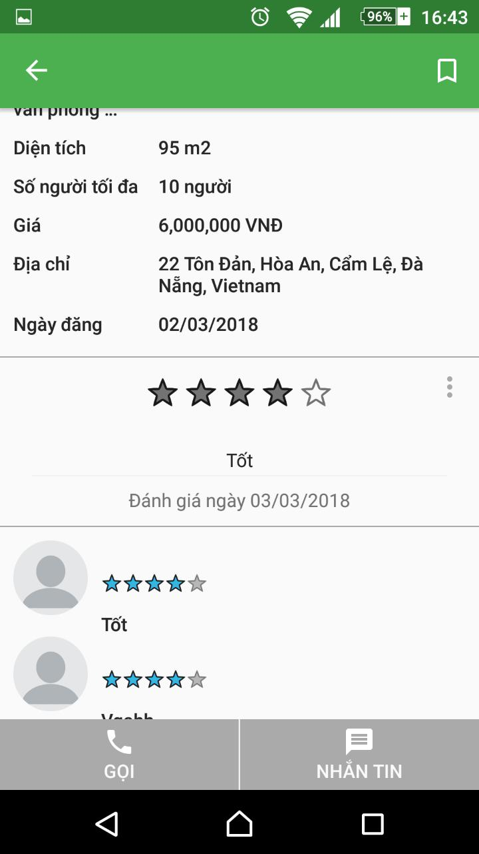
 |  |  |  |  |  | Results |  |  | Results |  |  | Note
Test Case ID | Test Case Description | Test procedure | Pre_Condition | Expected Results | Actual Results | Round 1 |  |  | Round 2
 |  |  |  |  |  | Status | Test Date | Tester | Status | Test Date | Tester
GUI_DISPLAY THE HOUSE FOR RENT LIST DETAILS
GUI-RLD01 | [Diện tích] Label |  |  | Text Color: black - Status: enable - Text align: left horizontally - Value: Diện tích |  | Passed | 7-Mar-18 | Thong T. HUA | Passed | 10-Mar-18 | Thong T. HUA
GUI-RLD02 | [Số người tối đa ] Label |  |  | Text Color: black - Status: enable - Text align: left horizontally |  | Passed | 7-Mar-18 | Thong T. HUA | Passed | 10-Mar-18 | Thong T. HUA
GUI-RLD03 | [Gía] Label |  |  | Text Color: black - Status: enable - Text align: left horizontally |  | Passed | 7-Mar-18 | Thong T. HUA | Passed | 10-Mar-18 | Thong T. HUA
GUI-RLD04 | [Địa chỉ] Label |  |  | Text Color: black - Status: enable - Text align: left horizontally |  | Passed | 7-Mar-18 | Thong T. HUA | Passed | 10-Mar-18 | Thong T. HUA
GUI-RLD05 | [Ngày đăng] Label |  |  | Text Color: black - Status: enable - Text align: left horizontally |  | Passed | 7-Mar-18 | Thong T. HUA | Passed | 10-Mar-18 | Thong T. HUA
GUI-RLD06 | [GỌI] Button |  |  | Text Color: white - Status: enable |  | Passed | 7-Mar-18 | Thong T. HUA | Passed | 10-Mar-18 | Thong T. HUA
GUI-RLD07 | [NHẮN TIN] Button |  |  | Text Color: white - Status: enable |  | Passed | 7-Mar-18 | Thong T. HUA | Passed | 10-Mar-18 | Thong T. HUA
FUNCTION_DISPLAY THE HOUSE FOR RENT DETAILS FORM
FUNC-RLD01 | Display house's for rent detail | 1. Access the application 2. Login 3. Choose a house in list |  | Display information successfully |  | Passed | 7-Mar-18 | Thong T. HUA | Passed | 10-Mar-18 | Thong T. HUA

Display house for rent list
Project Name | RENTING HELPER
Module Code | House for rent list

 | Passed | Failed | Untested | Blocked | Test Case Total
Round 1 | 8 | 0 | 0 | 0 | 8
Round 2 | 8 | 0 | 0 | 0 | 8
 |  |  | 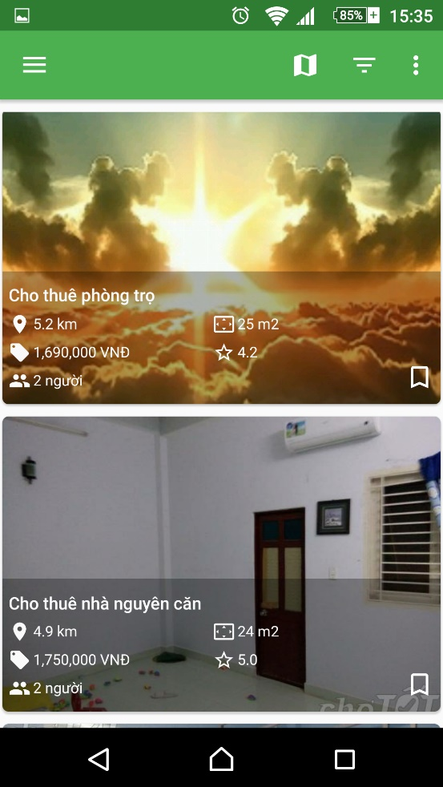
 |  |  |  |  |  | Results |  |  | Results |  |  | Note
Test Case ID | Test Case Description | Test procedure | Pre_Condition | Expected Results | Actual Results | Round 1 |  |  | Round 2
 |  |  |  |  |  | Status | Test Date | Tester | Status | Test Date | Tester
GUI_DISPLAY HOUSE FOR RENT LIST
GUI-PRH01 | Icon view on map |  |  | - Text Color: white - Background Color: white - Status: enable - Position: right horizontally |  | Passed | 7-Mar-18 | Thong T. HUA | Passed | 10-Mar-18 | Thong T. HUA
GUI-PRH02 | [Icon Menu] Icon Nav Drawer Menu |  |  | - Text Color: white - Background Color: white - Status: enable - Position: left horizontally |  | Passed | 7-Mar-18 | Thong T. HUA | Passed | 10-Mar-18 | Thong T. HUA
GUI-PRH03 | Icon filter |  |  | - Text Color: white - Background Color: white - Status: enable - Position: right horizontally |  | Passed | 7-Mar-18 | Thong T. HUA | Passed | 10-Mar-18 | Thong T. HUA
GUI-PRH04 | Icon pop up menu |  |  | - Text Color: white - Background Color: white - Status: enable - Position: right horizontally |  | Passed | 7-Mar-18 | Thong T. HUA | Passed | 10-Mar-18 | Thong T. HUA
GUI-PRH05 | List of house |  |  | - Position: center |  | Passed | 7-Mar-18 | Thong T. HUA | Passed | 10-Mar-18 | Thong T. HUA
GUI-FH06 | Image of house |  |  | - Position: inside list view item |  | Passed | 7-Mar-18 | Thong T. HUA | Passed | 10-Mar-18 | Thong T. HUA
GUI-FH07 | Brief information of house |  |  | - Position: at bottom of each list view item |  | Passed | 7-Mar-18 | Thong T. HUA | Passed | 10-Mar-18 | Thong T. HUA
FUNCTION_DISPLAY HOUSE FOR RENT LIST
FUNC-PRH01 | Show list of house for rent | 1.Access the application 2.Login 3.Click on view list mode button |  | Can see all of renting house results |  | Passed | 7-Mar-18 | Thong T. HUA | Passed | 10-Mar-18 | Thong T. HUA

Posting renting house
Project Name | RENTING HELPER
Module Code | Post renting house

 | Passed | Failed | Untested | Blocked | Test Case Total
Round 1 | 17 | 0 | 0 | 0 | 17
Round 2 | 17 | 0 | 0 | 0 | 17
 |  | 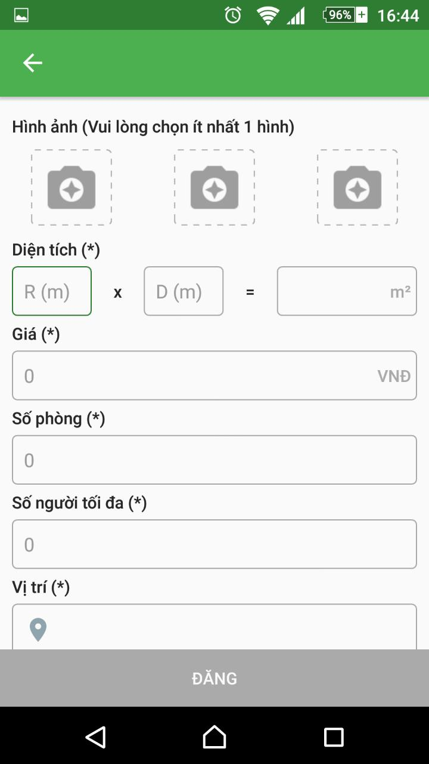
 |  |  |  |  |  | Results |  |  | Results |  |  | Note
Test Case ID | Test Case Description | Test procedure | Pre_Condition | Expected Results | Actual Results | Round 1 |  |  | Round 2
 |  |  |  |  |  | Status | Test Date | Tester | Status | Test Date | Tester
GUI_SHOW POSTITNG HOUE FOR RENT
GUI-RH01 | [Hình ảnh] Label |  |  | - Text Color: black - Status: enable - Position: left horizontally - Value: Hình ảnh(Vui lòng chọn ít nhất 1 hình) |  | Passed | 7-Mar-18 | Diep D.T.N. NGUYEN | Passed | 9-Mar-18 | Diep D.T.N. NGUYEN
GUI-RH02 | [Hình ảnh] Image |  |  | - Status : enable - Number display: 3 |  | Passed | 7-Mar-18 | Diep D.T.N. NGUYEN | Passed | 9-Mar-18 | Diep D.T.N. NGUYEN
GUI-RH03 | [Diện tích] Label |  |  | - Text Color: black - Status: enable - Text align: left horizontally - Value: Diện tích(*) |  | Passed | 7-Mar-18 | Diep D.T.N. NGUYEN | Passed | 9-Mar-18 | Diep D.T.N. NGUYEN
GUI-RH04 | [R] EditText |  |  | - Status: enable - Position: left horizontally - Hint color: gray - Hint: R (m) - Value: null |  | Passed | 7-Mar-18 | Diep D.T.N. NGUYEN | Passed | 9-Mar-18 | Diep D.T.N. NGUYEN
GUI-RH05 | [x] Label |  |  | - Text Color: black - Status: enable - Position: left horizontally - Value: x |  | Passed | 7-Mar-18 | Diep D.T.N. NGUYEN | Passed | 9-Mar-18 | Diep D.T.N. NGUYEN
GUI-LF06 | [D] EditText |  |  | - Status: enable - Position: left horizontally - Hint color: gray - Hint: D (m) - Value: null |  | Passed | 7-Mar-18 | Diep D.T.N. NGUYEN | Passed | 9-Mar-18 | Diep D.T.N. NGUYEN
GUI-RH07 | [=] Label |  |  | - Text Color: black - Status: enable - Position: left horizontally - Value: = |  | Passed | 22-Feb-18 | Diep D.T.N. NGUYEN | Passed | 9-Mar-18 | Diep D.T.N. NGUYEN
GUI-RH08 | [Diện tích] EditText |  |  | - Status: enable - Position: left horizontally - Hint align: right - Hint color: gray - Hint: D (m) - Value: m² |  | Passed | 7-Mar-18 | Diep D.T.N. NGUYEN | Passed | 9-Mar-18 | Diep D.T.N. NGUYEN
GUI-RH09 | [Giá] Label |  |  | - Text Color: black - Status: enable - Text align: left horizontally - Value: Giá (*) |  | Passed | 7-Mar-18 | Diep D.T.N. NGUYEN | Passed | 9-Mar-18 | Diep D.T.N. NGUYEN
GUI-RH10 | [Giá] EditText |  |  | - Status: enable - Position: left horizontally - Text align: left - Hint color: gray - Hint: VNĐ - Hint align: right - Value: 0 |  | Passed | 7-Mar-18 | Diep D.T.N. NGUYEN | Passed | 9-Mar-18 | Diep D.T.N. NGUYEN
GUI-RH11 | [Số phòng] Label |  |  | - Text Color: black - Status: enable - Text align: left horizontally - Value: Số phòng (*) |  | Passed | 7-Mar-18 | Diep D.T.N. NGUYEN | Passed | 9-Mar-18 | Diep D.T.N. NGUYEN
GUI-RH12 | [Số phòng] EditText |  |  | - Status: enable - Position: left horizontally - Text align: left - Value: 0 |  | Passed | 7-Mar-18 | Diep D.T.N. NGUYEN | Passed | 9-Mar-18 | Diep D.T.N. NGUYEN
GUI-RH13 | [Số người tối đa] Label |  |  | - Text Color: black - Status: enable - Text align: left horizontally - Value: Số người tối đa (*) |  | Passed | 7-Mar-18 | Diep D.T.N. NGUYEN | Passed | 9-Mar-18 | Diep D.T.N. NGUYEN
GUI-RH14 | [Số người tối đa] EditText |  |  | - Status: enable - Position: left horizontally - Text align: left - Value: 0 |  | Passed | 7-Mar-18 | Diep D.T.N. NGUYEN | Passed | 9-Mar-18 | Diep D.T.N. NGUYEN
GUI-RH15 | [Vị trí] Label |  |  | - Text Color: black - Status: enable - Text align: left horizontally - Value: Vị trí (*) |  | Passed | 7-Mar-18 | Diep D.T.N. NGUYEN | Passed | 9-Mar-18 | Diep D.T.N. NGUYEN
GUI-RH16 | [Vị trí] EditText |  |  | - Status: enable - Position: left horizontally - Text align: left - Hint color: gray - Hint: icon - Hint align: left - Value: null |  | Passed | 7-Mar-18 | Diep D.T.N. NGUYEN | Passed | 9-Mar-18 | Diep D.T.N. NGUYEN
FUNCTION_DISPLAY POSTITNG HOUE FOR RENT
FUNC-RF01 | Post renting house sucessfully | 1. Access the application 2. Login 3. Open navigation tab 4. Click Post house menu 5. Input data 6. Click Post button |  | House is posted to system |  | Passed | 7-Mar-18 | Diep D.T.N. NGUYEN | Passed | 9-Mar-18 | Diep D.T.N. NGUYEN

User information
Project Name | RENTING HELPER
Module Code | User's information

 | Passed | Failed | Untested | Blocked | Test Case Total
Round 1 | 10 | 0 | 0 | 0 | 9
Round 2 | 10 | 0 | 0 | 0 | 9
 |  | 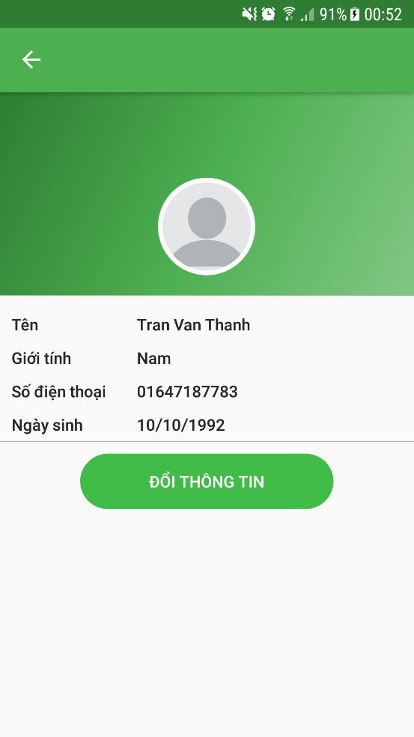
 |  |  |  |  |  | Results |  |  | Results |  |  | Note
Test Case ID | Test Case Description | Test procedure | Pre_Condition | Expected Results | Actual Results | Round 1 |  |  | Round 2
 |  |  |  |  |  | Status | Test Date | Tester | Status | Test Date | Tester
GUI_DISPLAY USER'S INFORMATION
GUI-M01 | Icon view on map |  |  | - Text Color: white - Background Color: white - Status: enable - Position: right horizontally |  | Passed | 7-Mar-18 | Diep D.T.N. NGUYEN | Passed | 9-Mar-18 | Diep D.T.N. NGUYEN
GUI-M02 | [Icon Menu] Icon Nav Drawer Menu |  |  | - Text Color: white - Background Color: white - Status: enable - Position: left horizontally |  | Passed | 7-Mar-18 | Diep D.T.N. NGUYEN | Passed | 9-Mar-18 | Diep D.T.N. NGUYEN
GUI-M03 | Icon filter |  |  | - Text Color: white - Background Color: white - Status: enable - Position: right horizontally |  | Passed | 7-Mar-18 | Diep D.T.N. NGUYEN | Passed | 9-Mar-18 | Diep D.T.N. NGUYEN
GUI-M04 | User's avatar |  |  | - Type: image - Position: center |  | Passed | 7-Mar-18 | Diep D.T.N. NGUYEN | Passed | 9-Mar-18 | Diep D.T.N. NGUYEN
GUI-M05 | User' name |  |  | - Status: enable - Position: center |  | Passed | 7-Mar-18 | Diep D.T.N. NGUYEN | Passed | 9-Mar-18 | Diep D.T.N. NGUYEN
GUI-M06 | Gender |  |  | - Status: enable - Position: center |  | Passed | 7-Mar-18 | Diep D.T.N. NGUYEN | Passed | 9-Mar-18 | Diep D.T.N. NGUYEN
GUI-LF07 | Phone number |  |  | - Status: enable - Position: center |  | Passed | 7-Mar-18 | Diep D.T.N. NGUYEN | Passed | 9-Mar-18 | Diep D.T.N. NGUYEN
GUI-M08 | Date of birth |  |  | - Status: enable - Position: center |  | Passed | 7-Mar-18 | Diep D.T.N. NGUYEN | Passed | 9-Mar-18 | Diep D.T.N. NGUYEN
GUI-M09 | Change info button |  |  | - Status: enable - Position: bottom - Value: Update information |  | Passed | 7-Mar-18 | Diep D.T.N. NGUYEN | Passed | 9-Mar-18 | Diep D.T.N. NGUYEN
FUNCTION_DISPLAY USER'S INFORMATION
FUNC-M01 | Display user information | 1. Log in 2. Click nav bar 3. Click Account menu item |  | Display user information |  | Passed | 7-Mar-18 | Diep D.T.N. NGUYEN | Passed | 9-Mar-18 | Diep D.T.N. NGUYEN

